project Requirment
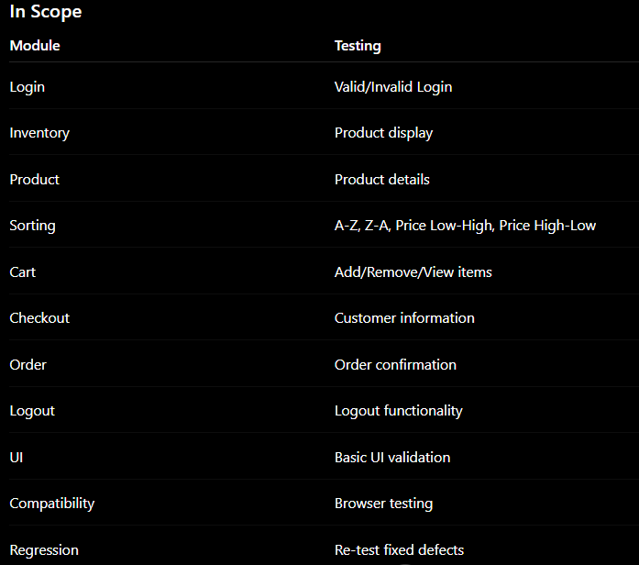
SauceDemo E-Commerce – End-to-End QA Testing Project

Project Requirment

OUR E-COMMERCE WEB SITE LINK = https://www.saucedemo.com/?utm_source=chatgpt.com
1. Project Name
SauceDemo E-Commerce – End-to-End QA Testing Project
2. Project Objective
The objective of this project is to perform end-to-end functional and non-functional testing of the SauceDemo e-commerce web application.
The testing will verify that users can:
Login successfully
View available products
Sort products
View product details
Add/remove products from the cart
Review cart items
Complete the checkout process
Receive order confirmation
Logout successfully
3. Scope of Testing
Out of Scope
Real payment gateway
Real email/SMS
Backend infrastructure testing
Production security testing
Performance/load testing of the public website
4. Functional Requirements
FR-01 – User Login
The system shall allow a registered test user to log in using a valid username and password.
Expected:
Username field should be available.
Password field should be available.
Login button should be available.
Valid credentials should redirect the user to the Inventory page.
Invalid credentials should display an appropriate error message.
FR-02 – Inventory Page
After successful login, the system shall display the inventory/product page.
The inventory page should:
Display available products.
Display product name.
Display product image.
Display product description.
Display product price.
Display Add to Cart button.
Display shopping cart icon.
A commonly documented SauceDemo baseline is 6 products on the inventory page.
FR-03 – Product Sorting
The system shall allow users to sort products using the available sorting options.
Test:
Name A → Z
Name Z → A
Price Low → High
Price High → Low
The resulting product order must match the selected sorting option.
FR-04 – Product Details
The user shall be able to select a product and view its details.
The product detail page should display:
Product name
Product image
Product description
Product price
Add to Cart button
Back to Products button
The displayed information must match the product selected from the inventory page.
FR-05 – Add to Cart
The system shall allow users to add products to the shopping cart.
When a product is added:
Product should be added to cart.
Cart badge/count should be updated.
Add to Cart button should change appropriately.
Correct product should appear in the cart.
FR-06 – Remove From Cart
The user shall be able to remove products from the cart.
Expected:
Selected product should be removed.
Cart count should be updated.
Removed product should no longer appear in the cart.
FR-07 – Shopping Cart
The cart should display:
Product name
Product description
Product price
Quantity
Remove button
Continue Shopping button
Checkout button
The cart information must match the products selected by the user.
FR-08 – Checkout
The user shall be able to proceed from the cart to checkout.
Checkout should require:
First Name
Last Name
Postal Code
The system should validate mandatory fields and display appropriate error messages when required information is missing.
FR-09 – Order Review
Before completing the order, the system shall display:
Selected products
Product prices
Item total/subtotal
Tax
Total amount
The calculated total should be correct.
FR-10 – Complete Order
When the user clicks Finish:
Order should be completed successfully.
Confirmation page should be displayed.
Confirmation message should be displayed.
Cart should be empty after successful order completion.
FR-11 – Logout
The user shall be able to logout from the application.
Expected:
User session should end.
User should no longer access protected inventory pages without logging in again.
5. Non-Functional Requirements
NFR-01 – Usability
The application should be easy to navigate.
NFR-02 – Compatibility
The application should work correctly on supported browsers such as:
Google Chrome
Microsoft Edge
Mozilla Firefox
NFR-03 – Responsiveness
Important UI elements should remain usable across different screen sizes.
NFR-04 – Reliability
The same action should produce consistent results when repeated under the same conditions.
NFR-05 – Performance
Main pages should load within an acceptable time under normal testing conditions.
6. Test User
For the normal end-to-end flow, you can use the documented SauceDemo test credentials:
Username: standard_user
Password: secret_sauce
Other test accounts can be used specifically for negative/problem scenarios.
7. Main Test Scenarios
Login
Verify login page
Login with valid credentials
Login with invalid username
Login with invalid password
Login with empty username
Login with empty password
Login with both fields empty
Verify error messages
Inventory
Verify inventory page opens
Verify products are displayed
Verify product names
Verify product prices
Verify product images
Verify Add to Cart buttons
Verify cart icon
Sorting
Verify A-Z sorting
Verify Z-A sorting
Verify price low-high
Verify price high-low
Product Details
Open product
Verify product name
Verify product image
Verify description
Verify price
Add product from detail page
Return to products
Cart
Add one product
Add multiple products
Add all products
Verify cart count
Open cart
Verify product details
Remove product
Remove all products
Checkout
Checkout with valid data
Submit empty form
Missing first name
Missing last name
Missing postal code
Verify order summary
Verify subtotal
Verify tax
Verify total
Complete order
Verify confirmation
Logout
Logout from application
Verify user is logged out
Try accessing inventory after logout
8. Acceptance Criteria
The project will be considered successful when:
✅ All critical functional requirements are tested.
✅ Positive and negative test cases are executed.
✅ Defects are documented in Jira.
✅ Critical defects are retested after fixes.
✅ Regression testing is completed.
✅ Checkout end-to-end flow works successfully.
✅ Test execution results are documented.
✅ Final test summary/report is prepared.
E-Commerce End-to-End QA Project
├── Task 1 — User Authentication
│ ├── User Login
│ ├── Logout
│ └── Error message area
│
├── Task 2 — Product Catalog
│ ├── Product Search
│ ├── Product Filtering
│ ├── Product Sorting
│ └── Product Details
│
├── Task 3 — Shopping Cart
│ ├── Add Product to Cart
│ ├── Update Cart
│ ├── Remove Product
│ └── Cart Validation
│
├── Task 4 — Checkout
│ ├── Shipping Information
│ ├── Order Summary
│ ├── Shipping Options
│ └── Checkout Validation
│
├── Task 5 — Payment
│ ├── Payment Processing
│ ├── Successful Payment
│ ├── Failed Payment
│ └── Payment Validation
│
│
├── Task 6 — API Testing
│ ├── Authentication APIs
│ ├── Product APIs
│ ├── Cart APIs
│ ├── Order APIs
│ └── Payment APIs
│
│
├── Task 7 — Regression Testing
│ ├── Smoke Testing
│ ├── Functional Regression
│ └── End-to-End Regression
│
└── Task 8 — Test Automation
├── Automation Framework Setup
├── Login Automation
├── Product Search Automation
├── Cart Automation
├── Checkout Automation
└── End-to-End Automation

User Authentication
LOGIN Test Cases

Test Case ID | Test Scenarion | Test Step | Test Data | Expected Result | Actual Result | Status | Column8
TC-001 | Verify a valid user can enter the application using the correct credentials. | 1. Open login page. 2. Enter username. 3. Enter password. 4. Click Login. | Username: standard_user Password: secret_sauce | User should successfully log in and navigate to the Products page. | 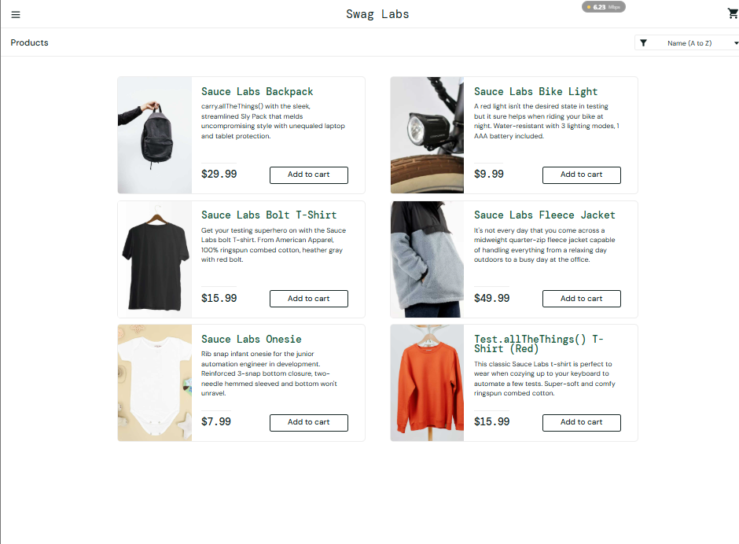 | Pass
TC-002 | Verify the password remains hidden while typing. | 1. Click password field. 2. Enter password. 3. Observe field | secret_sauce | Password characters should be masked rather than displayed as plain text. | 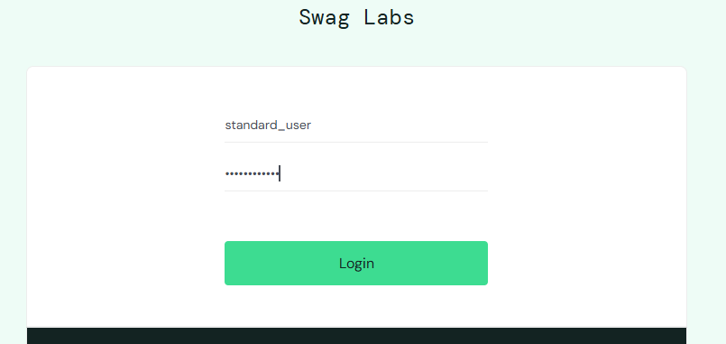 | Pass
TC-003 | Verify login works when fields contain only valid values without unnecessary spaces. | Enter valid credentials without leading/trailing spaces → Login. | standard_user / secret_sauce | User should successfully log in. | 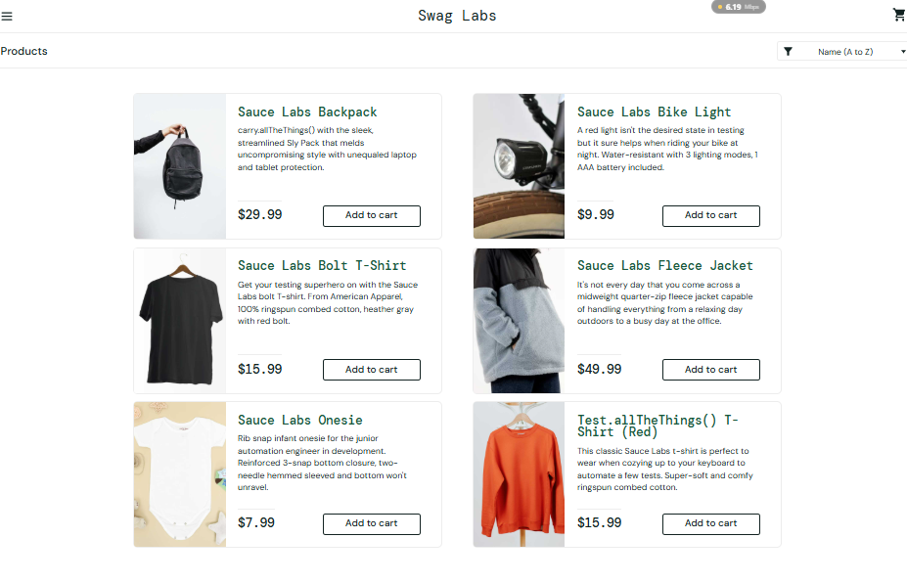 | Pass
TC-004 | Verify the same valid account can authenticate repeatedly. | Perform successful login → logout/reopen login → login again. | standard_user / secret_sauce | Login should succeed consistently. | 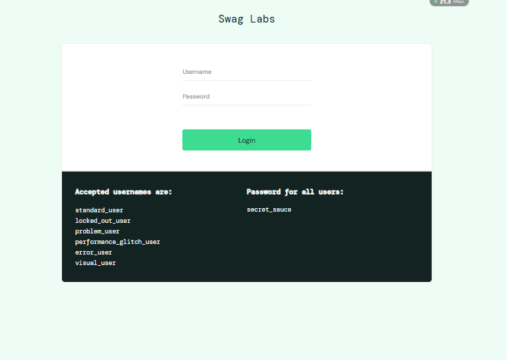 | Pass
TC-005 | Verify correct username with an incorrect password is rejected. | Enter valid username and incorrect password → Login. | standard_user / wrongpass | 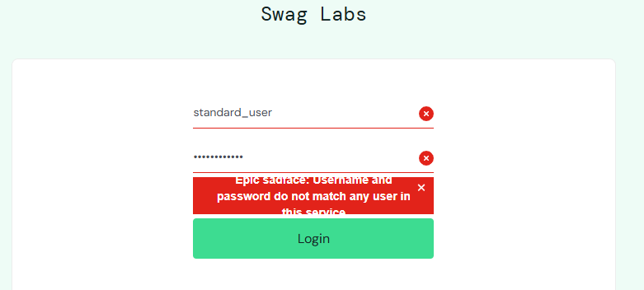 Login should fail and an appropriate error message should be displayed. |  | Pass
TC-006 | Verify an unregistered username cannot access the system. | Enter invalid username and valid password → Login. | unknown_user / secret_sauce | Login should fail with an appropriate error message. | 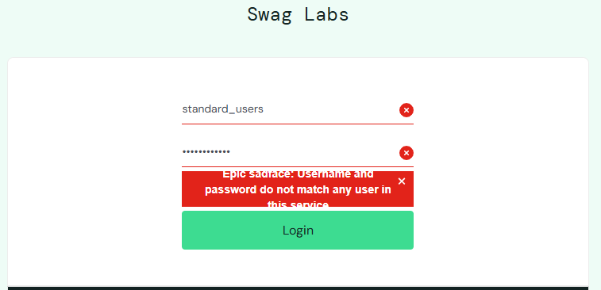 | Pass
TC-007 | Verify completely invalid credentials are rejected. | Enter invalid username and password → Login. | invalid_user / wrongpass123 | Login should fail with an appropriate error message. |  | Pass
TC-008 | Verify login cannot proceed without username. | Leave username empty→Enter valid password → Login. | Empty / secret_sauce | Login should fail and username validation/error message should be displayed. | 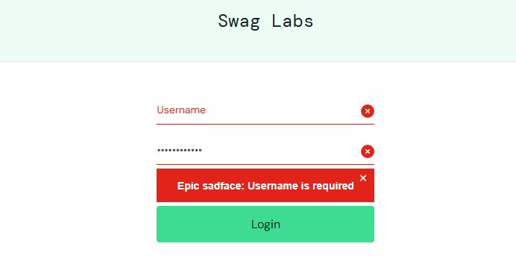 | Pass
TC-009 | Verify the form handles an empty submission correctly. | Leave both fields empty → Click Login. | Empty / Empty | Login should fail and appropriate validation/error message should be displayed. | 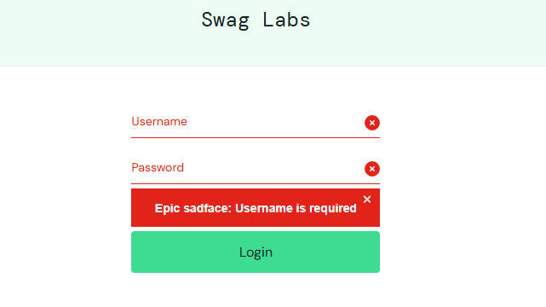 | Pass
TC-010 | Verify malformed username input is rejected according to the defined username format. | Enter malformed username → Enter valid password → Login. | standard user@ / secret_sauce | System should reject invalid username format or display an appropriate authentication/validation error. | 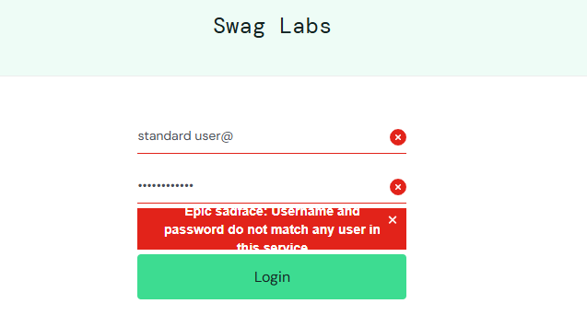 | Pass
TC-011 | Verify a password shorter than the required minimum is rejected. | Enter valid username → Enter password with fewer than 8 characters → Login. | standard_user / abc123 | Password should be rejected because it contains fewer than 8 characters. | 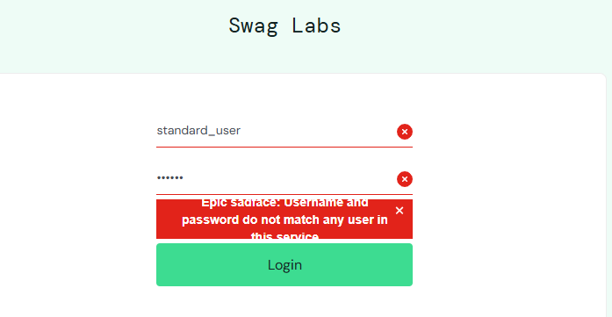 | Pass
TC-012 | Verify spaces-only password input cannot authenticate. | Enter valid username → Enter spaces in password → Login. | standard_user / | Login should fail with an appropriate error message. | 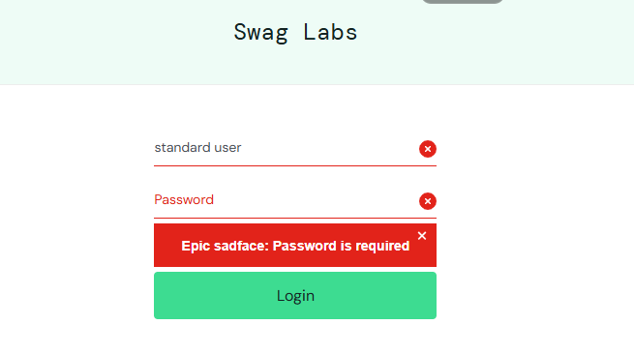 | Pass
TC-013 | Verify a password containing exactly 8 characters meets the minimum length requirement. | Enter username → Enter exactly 8-character password → Login. | standard_user / 12345678 | Password should satisfy the length validation. Authentication may still fail if the password is not the user's actual password. | 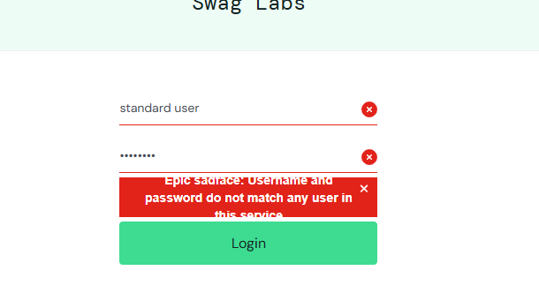 | Pass
TC-014 | Verify zero characters in password is rejected. | Leave password field empty → Click Login. | standard_user / "" | Login should fail and password validation/ error should be displayed. | 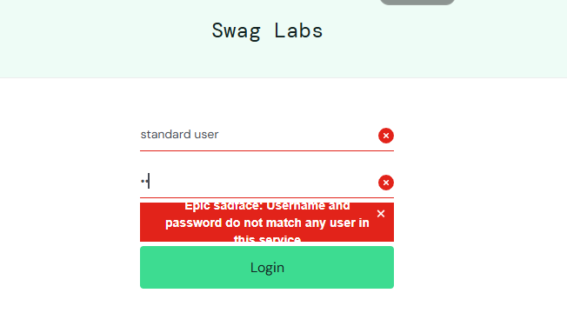 | Pass
TC-015 | Verify the system handles an unusually long password safely. | Enter valid username → Enter a very long password → Login. | standard_user / 1000-character string | Application should handle the input without UI failure, crash, or unexpected behavior. | 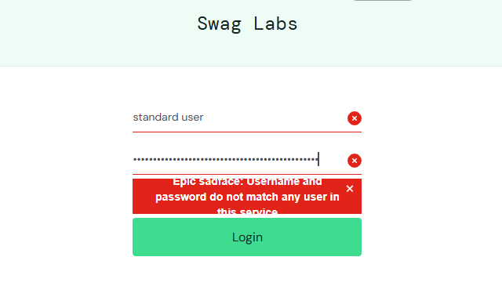 | Pass
TC-016 | Verify whether username/password authentication handles letter-case correctly. | Change the case of credentials → Login. | STANDARD_USER / SECRET_SAUCE | System should enforce the application's defined case-sensitivity rules and should not incorrectly authenticate altered credentials. | 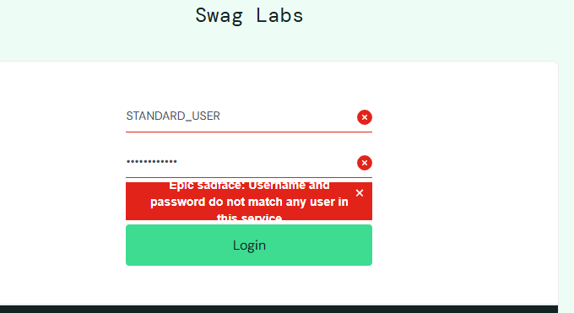 | Pass
TC-017 | Verify unusual characters do not break the login form. | Enter special characters into username/password → Login. | user@#$% / p@$$w0rd! | Application should safely handle the input and return an appropriate error without crashing. | 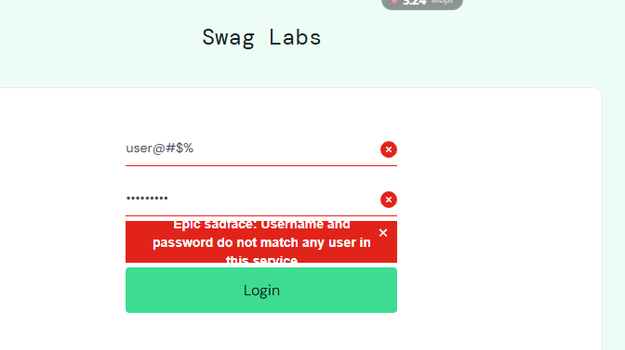 | Pass
TC-018 | Verify repeated rapid clicks on Login do not create unexpected behavior. | Enter credentials → rapidly click Login multiple times. | Valid credentials | Application should handle repeated requests gracefully and should not create duplicate sessions/navigation issues.
TC-019 | Verify session behavior after refreshing the page. | Login successfully → Refresh browser. | standard_user / secret_sauce | User should remain in the expected authenticated state according to the application's session behavior. | 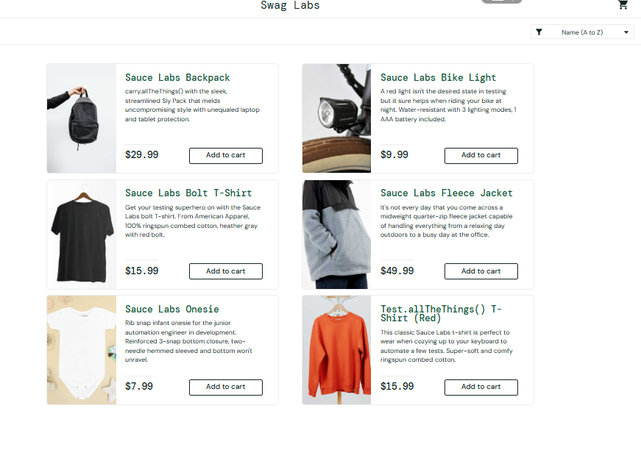 | Pass
TC-020 | Verify script input is treated as data rather than executable code. | Enter XSS-style payload into username/password → Login. | <script>alert(1)</script> | Script should not execute. Application should safely handle/reject the input. |  | Pass
TC-021
TC-022
TC-023
TC-024

Product Sorting
Product sorting Test Cases

TestID | Test Scenario | Test Step | Test Data | Expected Result | Actual Result | Status | Column8
TC-001 | Verify products can be sorted by Name A → Z | 1. Open Products page. 2. Select Name A → Z. 3. Observe product names. | Sort: Name A → Z | Products are displayed alphabetically from A to Z. | 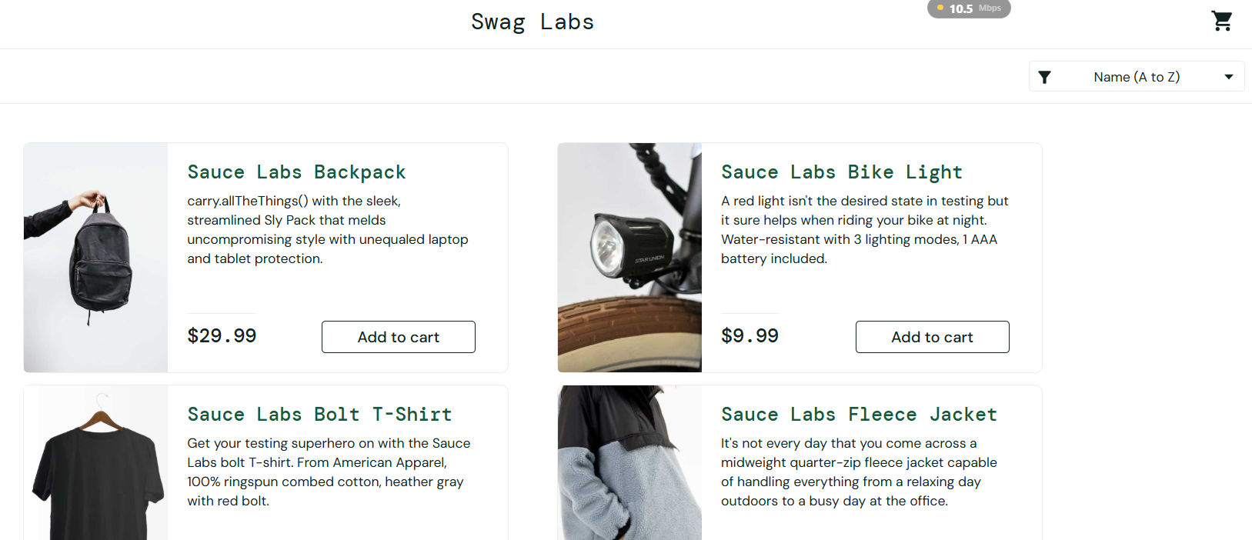 | pass
TC-002 | Verify products can be sorted by Name Z → A | 1. Open Products page. 2. Select Name Z → A. 3. Observe product names. | Sort: Name Z → A | Products are displayed alphabetically from Z to A. | 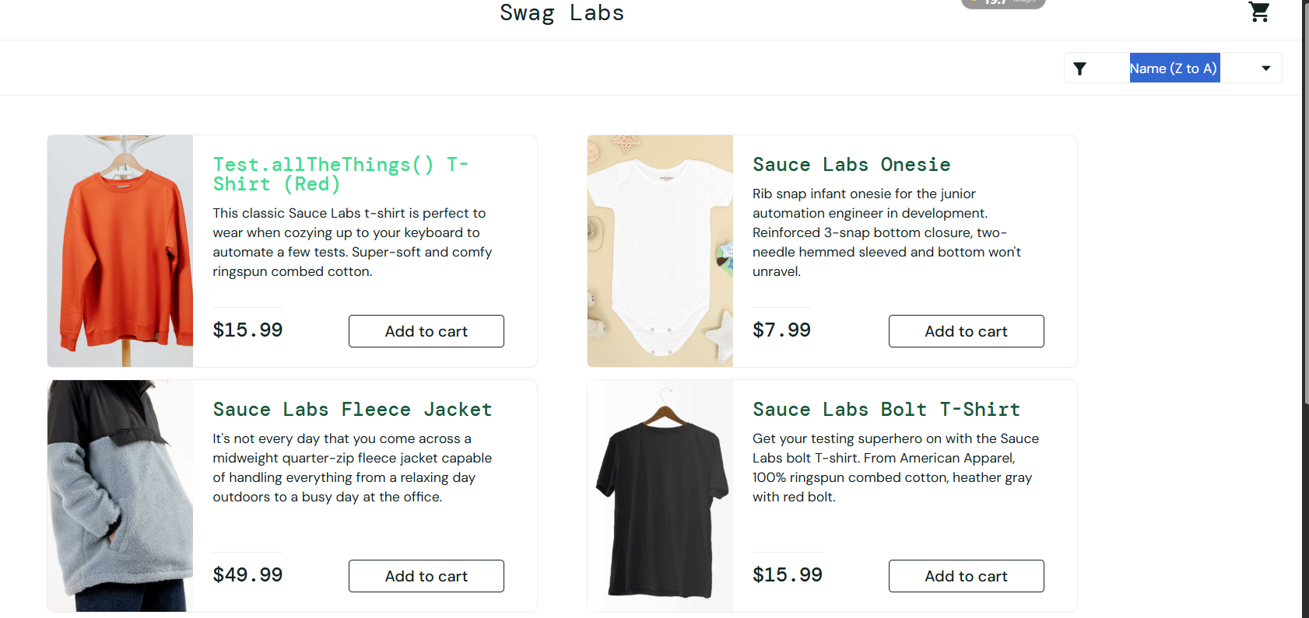 | pass
TC-003 | Verify products can be sorted by Price Low → High | 1. Open Products page. 2. Select Price Low → High. 3. Compare product prices. | Sort: Price Low → High | Products are displayed from the lowest price to the highest price. | 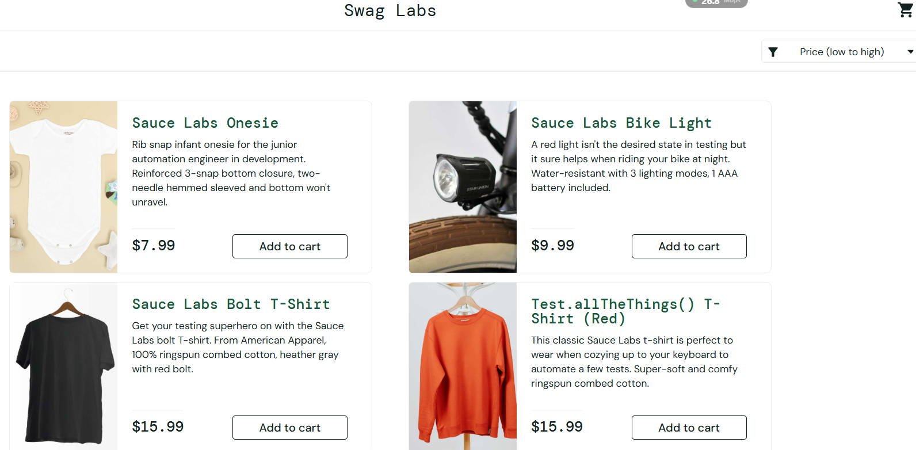 | pass
TC-004 | Verify products can be sorted by Price High → Low | 1. Open Products page. 2. Select Price High → Low. 3. Compare product prices. | Sort: Price High → Low | Products are displayed from the highest price to the lowest price. | 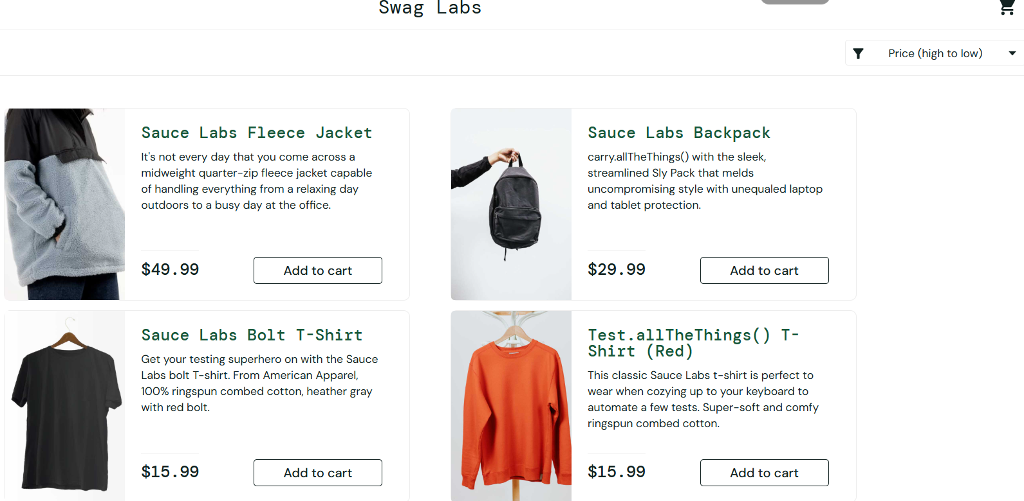 | Pass
TC-005 | Verify sorting works after refreshing the page | 1. Select a sorting option. 2. Refresh the page. 3. Observe product list. | Any valid sorting option | System handles the selected/default sorting consistently according to the application's design. |   Before After | Fail
TC-006 | Verify sorting works when navigating between product pages | 1. Apply a sorting option. 2. Navigate to another product page. 3. Return to the product listing. | Any valid sorting option | Product list is displayed according to the application's expected sorting behavior. | Before After | Fail
TC-007 | Verify invalid sorting value cannot be applied | 1. Attempt to provide an unsupported sorting value through the UI/request. 2. Load product list. | InvalidSort | System rejects the invalid value and does not incorrectly sort products.
TC-008 | Verify sorting when two products have the same price | 1. Identify products with identical prices. 2. Select Price Low → High. 3. Observe ordering. | Duplicate price values | Products are sorted correctly; products with equal prices do not cause sorting failure. | 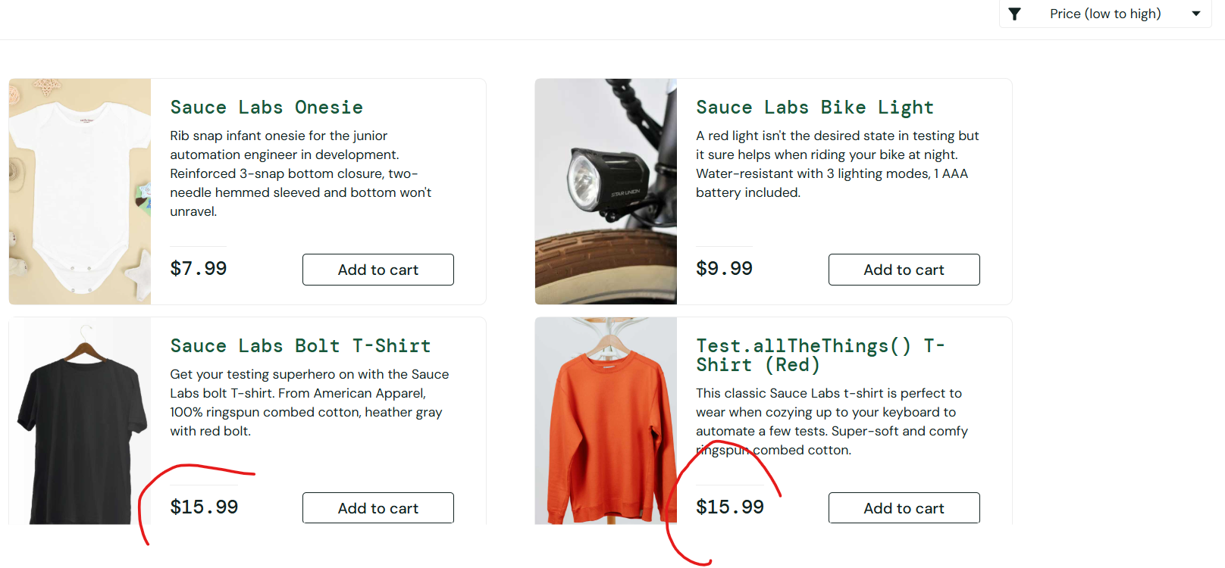 | pass
TC-009 | Verify sorting with products having very low prices | 1. Select Price Low → High. 2. Observe lowest-priced products. | $0.01, $1.00, etc. | Lowest valid price appears first. | 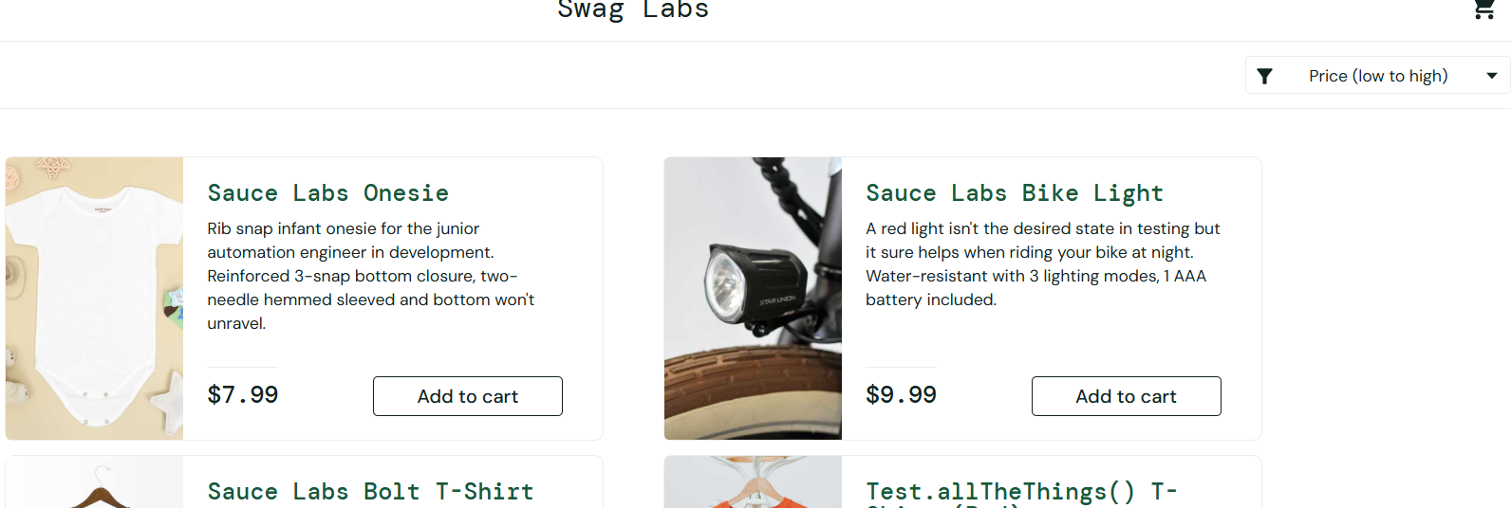 | pass
TC-010 | Verify sorting with products having very high prices | 1. Select Price High → Low. 2. Observe highest-priced products. | Large price values | Highest valid price appears first. |  | pass
TC-011 | Verify alphabetical sorting with similar product names | 1. Select Name A → Z. 2. Check products with similar names. | Product A, Product AB, Product B | Products are ordered correctly according to alphabetical rules. |  | pass
TC-012 | Verify sorting with uppercase and lowercase names | 1. Select Name A → Z. 2. Observe products with different letter casing. | apple, Apple, APPLE | Ordering follows the application's defined case-sensitivity rules consistently. |  | pass
TC-013
TC-014

Product Details
Product Details Test Cases

Test-ID | Test Scenario | Test Step | Test Data | Expected Result | Actual Result | Status | Column8
TC-001 | Verify user can open a product details page from the product listing | 1. Login to the application. 2. Navigate to Products. 3. Select any product. | Product: Any valid product | Selected product's details page opens successfully. |  | pass
TC-002 | Verify product name is displayed correctly | 1. Open a product details page. 2. Compare the displayed name with the product listing. | Valid product | Product name is displayed correctly and matches the selected product. |  | pass
TC-003 | Verify product image is displayed correctly | 1. Open a product. 2. Inspect the product image. | Valid product | Correct product image is displayed without broken-image indicators. | 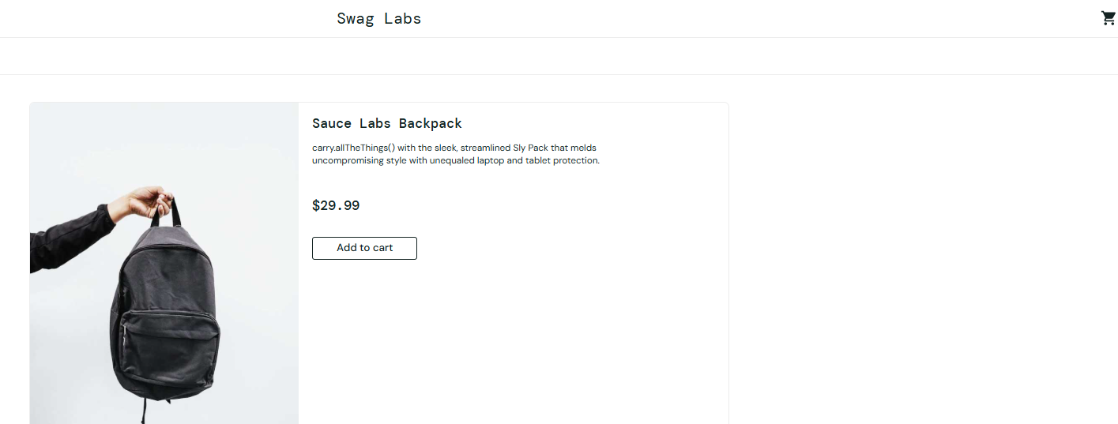 | pass
TC-004 | Verify product description is displayed correctly | 1. Open a product details page. 2. Read the description. 3. Compare it with the product listing/backend data. | Valid product | Correct product description is displayed. |  | pass
TC-005 | Verify product price is displayed correctly | 1. Open a product. 2. Check the displayed price. 3. Compare with the product listing. | Valid product | Correct product price is displayed. |  | pass
TC-006 | Verify Add to Cart button adds the selected product | 1. Open a product details page. 2. Click Add to Cart. 3. Open the cart. | Product: Valid product | Selected product is successfully added to the cart. |  | pass
TC-007 | Verify Add to Cart changes to Remove from Cart | 1. Open a product. 2. Click Add to Cart. 3. Observe the button. | Valid product | Add to Cart changes to Remove from Cart according to the application's design. |  | pass
TC-008 | Verify Remove from Cart removes only the selected item | 1. Add Product A to cart. 2. Return/open Product B. 3. Add Product B. 4. Open Product A. 5. Click Remove from Cart. 6. Open cart. | Product A, Product B | Only Product A is removed. Product B remains in the cart | 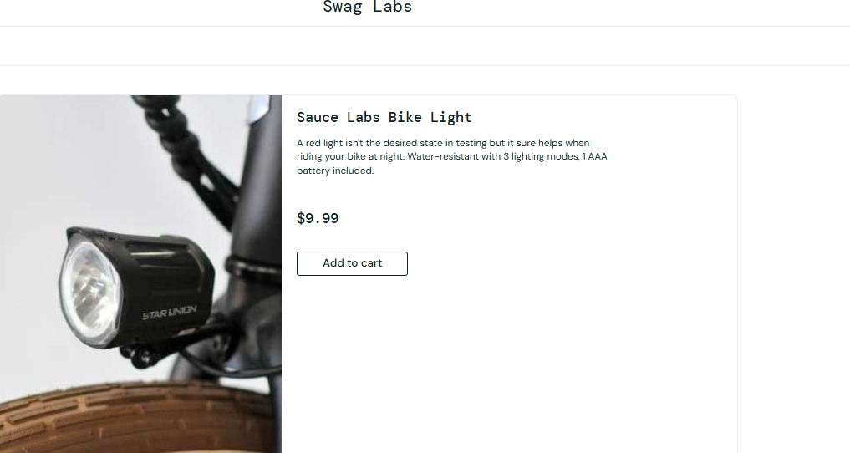 | pass
TC-009 | Verify Back to Products button returns to product listing | 1. Open any product details page. 2. Click Back to Products. | Valid product | User is returned to the Products page. | 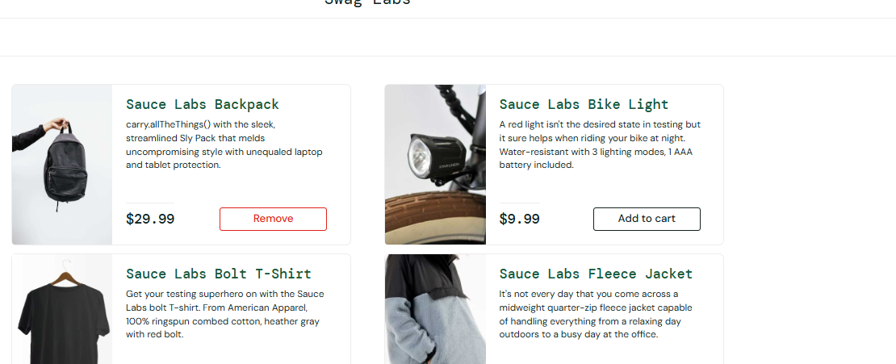 | pass
TC-010 | Verify product details remain consistent after navigating back | 1. Open Product A. 2. Note its details. 3. Click Back to Products. 4. Open Product A again. | Product A | Product name, image, description, and price remain consistent. |  | pass
TC-011 | Verify Remove from Cart does not remove another product | 1. Add Product A and Product B. 2. Open Product A. 3. Click Remove from Cart. 4. Check cart. | Product A + Product B | Only Product A is removed; Product B remains. | 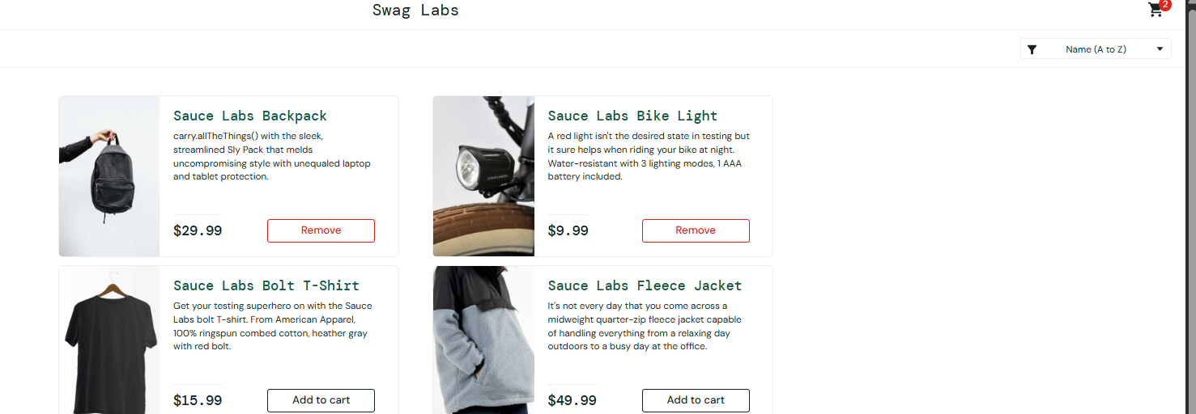 | pass
TC-012 | Verify Add → Remove → Add workflow | 1. Open Product A. 2. Add to Cart. 3. Remove from Cart. 4. Add to Cart again. 5. Open cart. | Product A | Product can be added, removed, and added again successfully. | 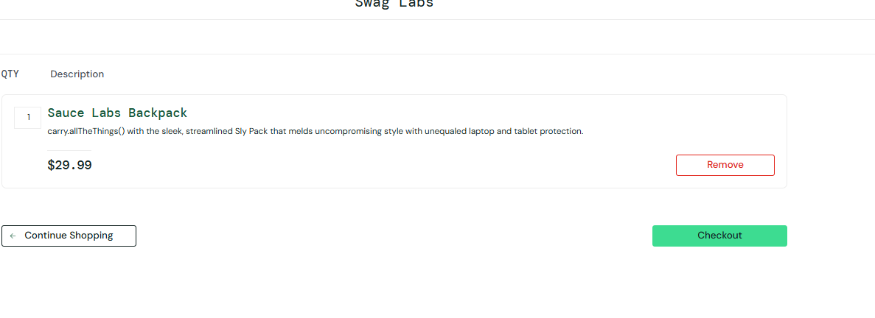 | pass
TC-013 | Verify product details after browser refresh | 1. Open a product. 2. Refresh the browser. 3. Observe details and cart state. | Product A | Product details load correctly after refresh and cart state follows the application's expected behavior. | 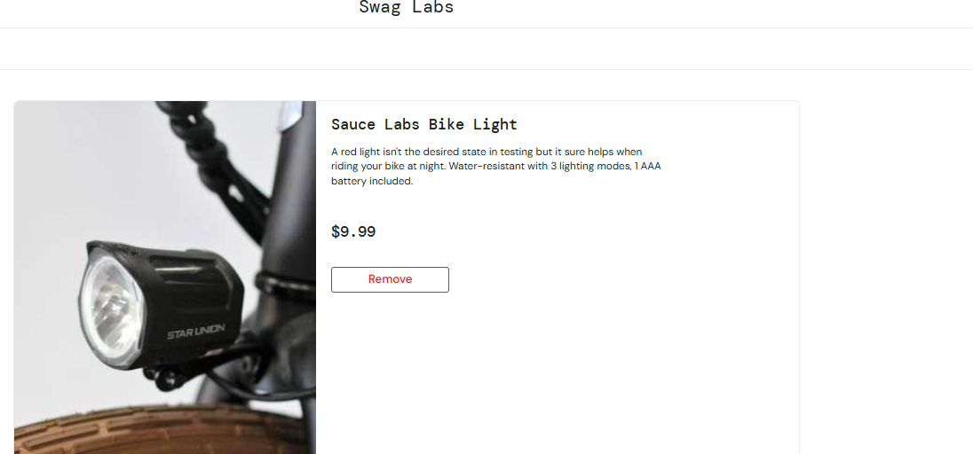 | pass
TC-014
TC-015
TC-016
TC-017

Shopping Cart
Shopping Cart feature Test cases

TestID | Test Scenario | Test step | Test data | Expected Result | Actual Result | Status | Column8
TC-001 | Verify user can add a single product to the cart | 1. Login. 2. Select a product. 3. Click Add to cart. 4. Open Cart. | Sauce Labs Backpack | Product is successfully added and displayed in the cart. |  | pass
TC-002 | Verify multiple different products can be added | 1. Login. 2. Add Product A. 3. Add Product B. 4. Open Cart. | Backpack, Bike Light | Both selected products are displayed in the cart. | 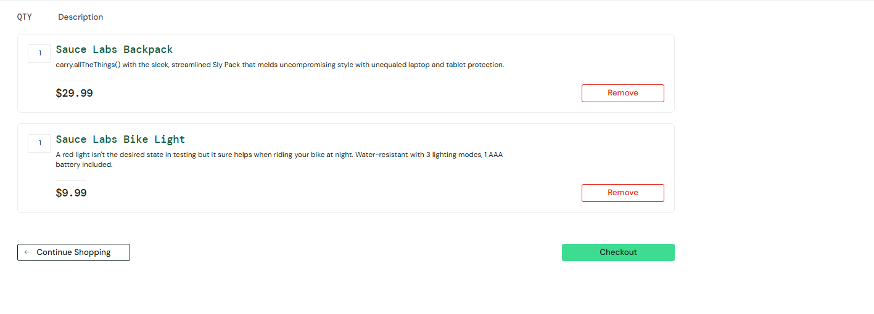 | pass
TC-003 | Verify cart displays correct product name | 1. Add a product. 2. Open Cart. 3. Compare product name with Products page. | Sauce Labs Backpack | Correct product name is displayed. |  | pass
TC-004 | Verify cart displays correct product description | 1. Add a product. 2. Open Cart. 3. Check description. | Sauce Labs Backpack | Correct product description is displayed. |  | pass
TC-005 | Verify cart displays correct product price | 1. Add a product. 2. Open Cart. 3. Compare price with Products page. | Sauce Labs Backpack | Correct product price is displayed. |  | pass
TC-006 | Verify cart displays correct quantity | 1. Add a product. 2. Open Cart. 3. Check quantity. | One product | Quantity is displayed correctly as 1. | 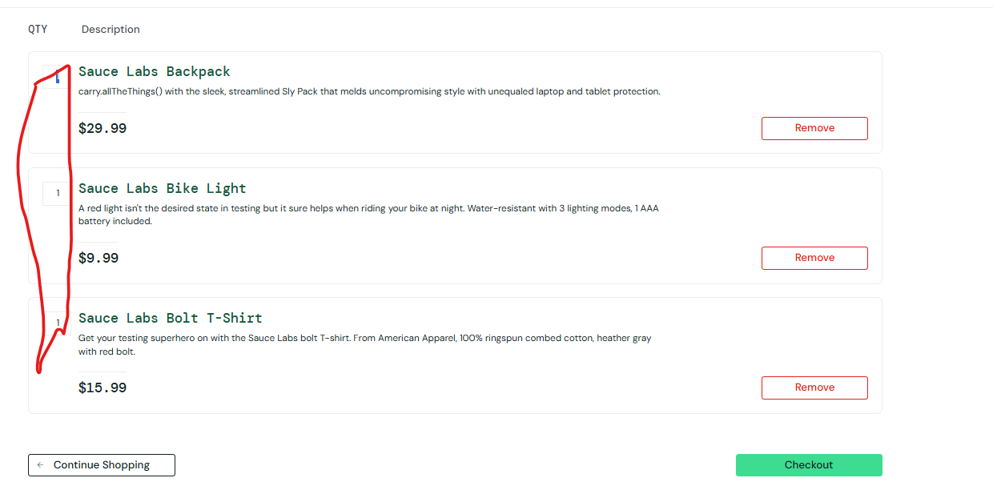 | pass
TC-007 | Verify user can remove a product from cart | 1. Add a product. 2. Open Cart. 3. Click Remove. | Sauce Labs Backpack | Product is removed successfully from the cart. | 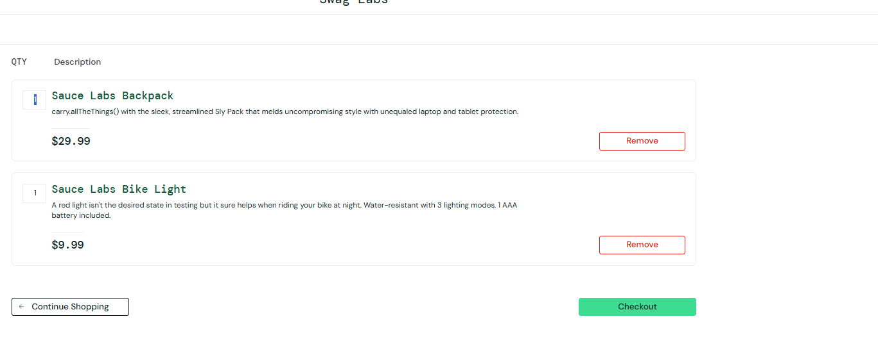 | pass
TC-008 | Verify user can remove one product while keeping another | 1. Add Product A. 2. Add Product B. 3. Open Cart. 4. Remove Product A. | Backpack + Bike Light | Product A is removed while Product B remains in the cart. |  | pass
TC-009 | Verify Continue Shopping button | 1. Add a product. 2. Open Cart. 3. Click Continue Shopping. | Product A | User is returned to the Products page. | 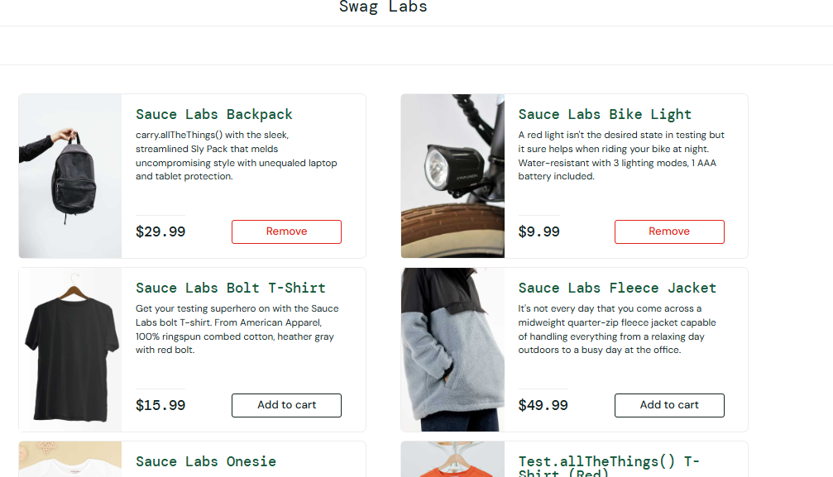 | pass
TC-010 | Verify cart contents remain after Continue Shopping | 1. Add Product A. 2. Open Cart. 3. Click Continue Shopping. 4. Open Cart again. | Product A | Previously added product remains in the cart. | 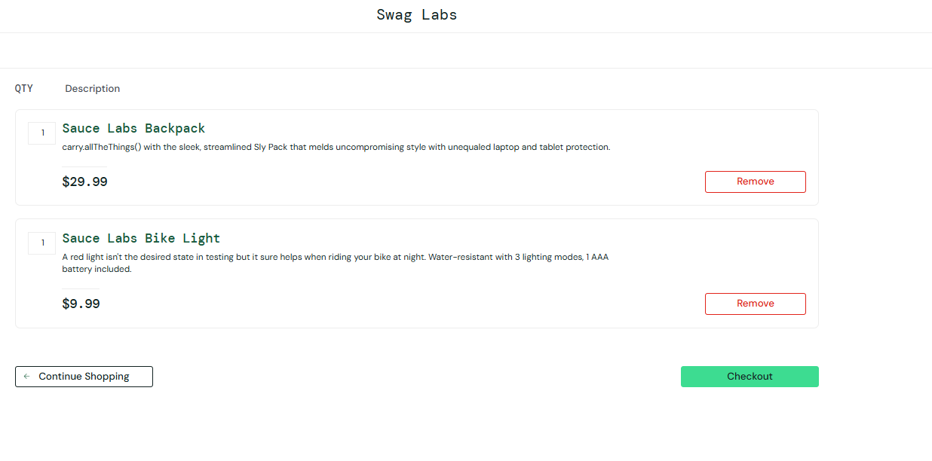 | pass
TC-011 | Verify empty cart is handled correctly | 1. Login. 2. Do not add any product. 3. Open Cart. | No products | Cart displays an empty state without errors. |  | pass
TC-012 | Verify removed product cannot remain visible | 1. Add Product A. 2. Open Cart. 3. Click Remove. 4. Refresh Cart. | Product A | Removed product does not reappear unexpectedly. |  | pass
TC-013 | Verify removing one item does not remove all items | 1. Add Product A and B. 2. Open Cart. 3. Remove Product A. | Product A + B | Product B remains in the cart. | 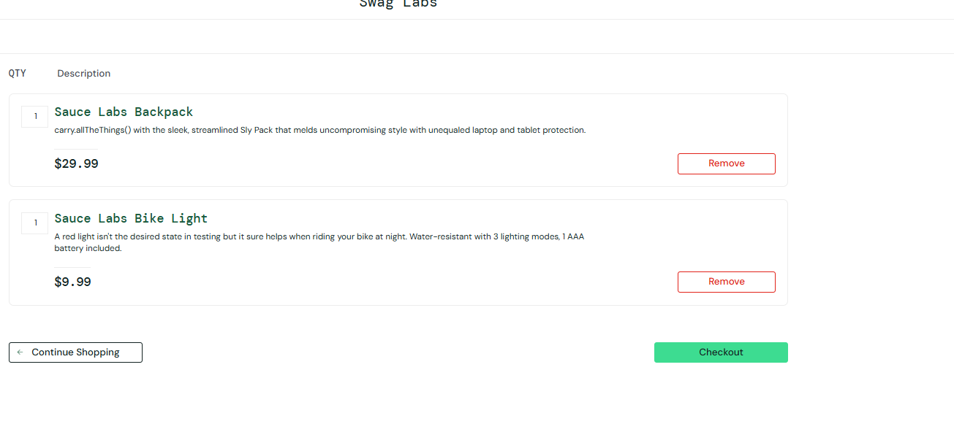 | pass
TC-014 | Verify cart with only one product | 1. Add one product. 2. Open Cart. | 1 product | Product is displayed with correct quantity and price. | 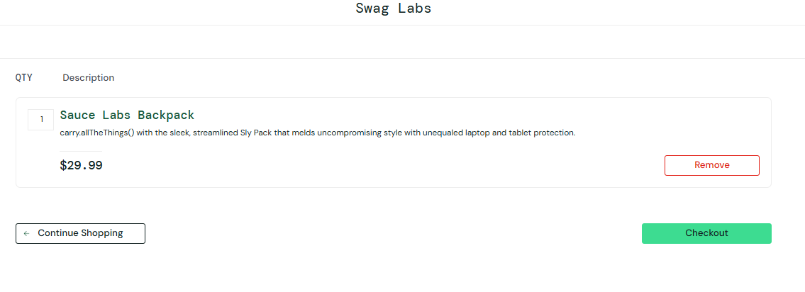 | pass
TC-015 | Verify cart cannot be accessed after session expiration | 1. Login and add a product. 2. Expire/terminate the session. 3. Attempt to access Cart. | Expired session | Application requires valid authentication/session and does not expose protected cart data. |  | pass
TC-016
TC-017
TC-018

Checkout
Checkout Feature Test Cases

TestID | Test Scenario | Test Step | Test Data | Expected Result | Actual Result | Status | Column8
TC-001 | Verify user can open Checkout with a product in the cart | 1. Login. 2. Add a product. 3. Open Cart. 4. Click Checkout. | Product: Sauce Labs Backpack | Checkout Information page is displayed with First Name, Last Name, Postal Code and action buttons. | 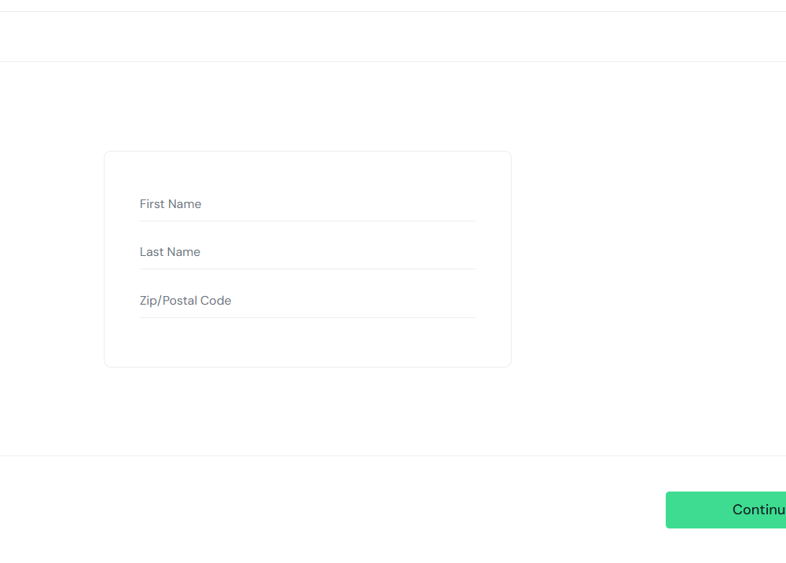 | Pass
TC-002 | Verify checkout accepts all valid customer information | 1. Open Checkout. 2. Enter all required fields. 3. Click Continue. | First Name: Rashan Last Name: Rahul Postal Code: 80108 | User is successfully navigated to Checkout Overview. | 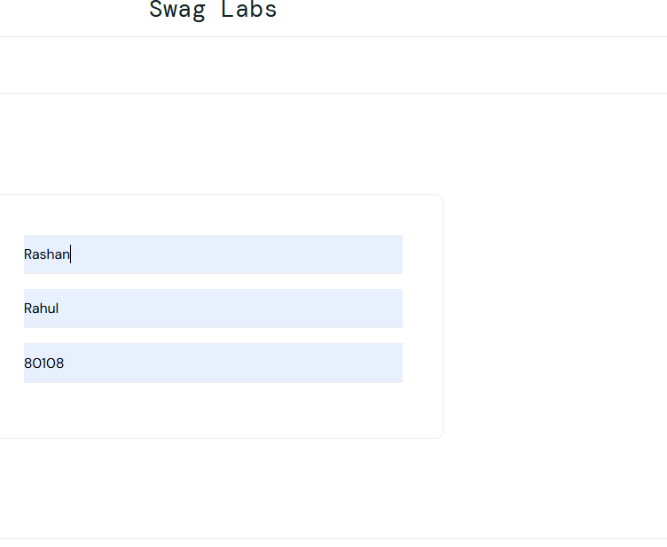 | Pass
TC-003 | Verify order details on Checkout Overview | 1. Add a product. 2. Proceed to Checkout. 3. Enter valid information. 4. Click Continue. 5. Compare overview with Cart. | Backpack | Correct product, quantity, price and order information are displayed. | 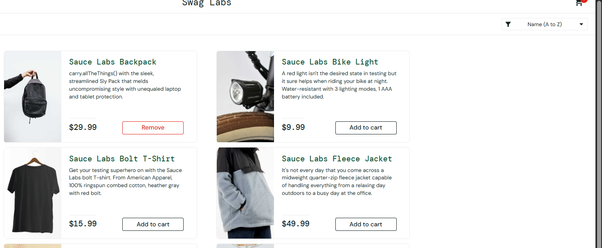 | Pass
TC-004 | Verify Cancel button returns user to Cart | 1. Open Checkout. 2. Enter checkout information. 3. Click Cancel. | Valid customer data | User is returned to the Cart page. | 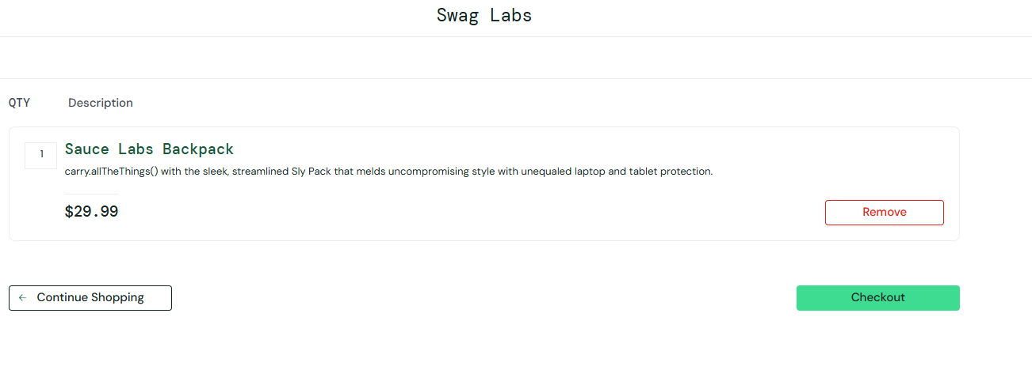 | Pass
TC-005 | Verify checkout works with different valid customer data | 1. Enter different valid values. 2. Click Continue. | David / Perera / 10000 | Checkout Overview opens successfully. | 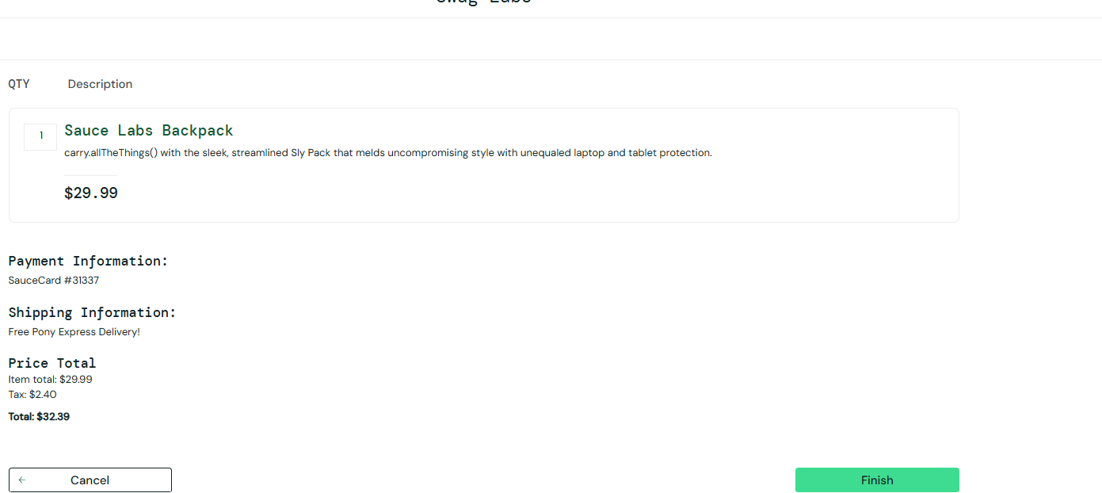 | Pass
TC-006 | Verify checkout cannot proceed when First Name is empty | 1. Leave First Name empty. 2. Enter Last Name and Postal Code. 3. Click Continue. | First Name: Empty Last Name: Smith Postal: 20000 | Validation error is displayed and user remains on Checkout Information page. | 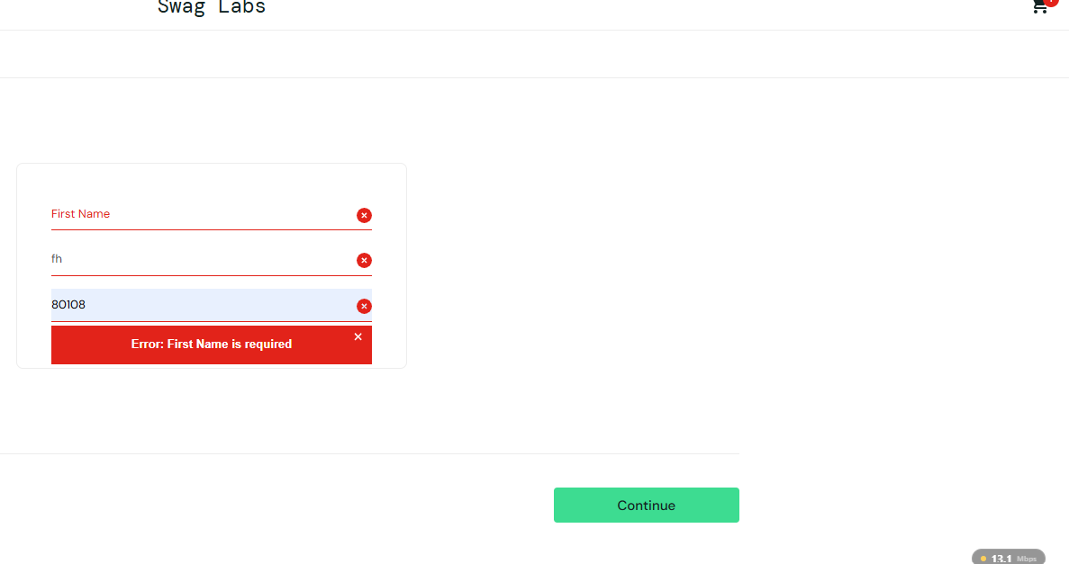 | Pass
TC-007 | Verify checkout cannot proceed when Last Name is empty | 1. Enter First Name. 2. Leave Last Name empty. 3. Enter Postal Code. 4. Click Continue. | John / Empty / 20000 | Validation error is displayed. | 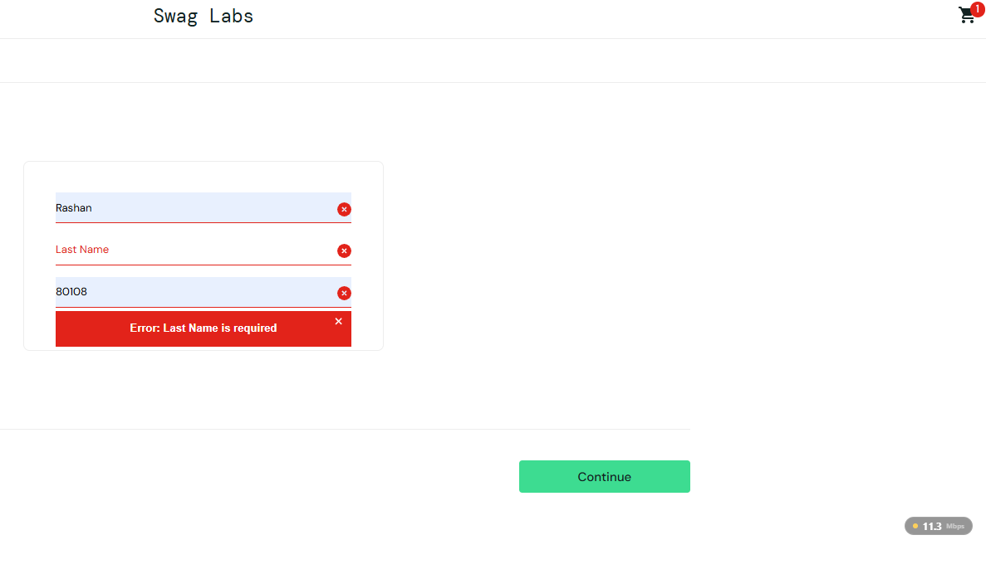 | Pass
TC-008 | Verify checkout cannot proceed when Postal Code is empty | 1. Enter First and Last Name. 2. Leave Postal Code empty. 3. Click Continue. | John / Smith / Empty | Validation error is displayed. | 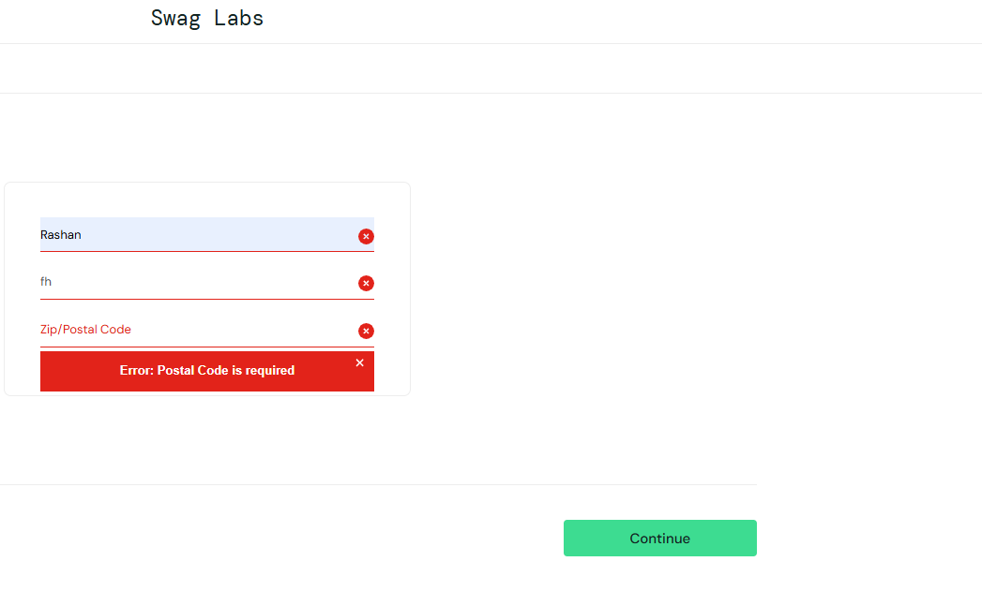 | Pass
TC-009 | Verify checkout validation when all fields are empty | 1. Open Checkout. 2. Leave all fields empty. 3. Click Continue. | All fields empty | Required-field validation is displayed and checkout does not proceed. | 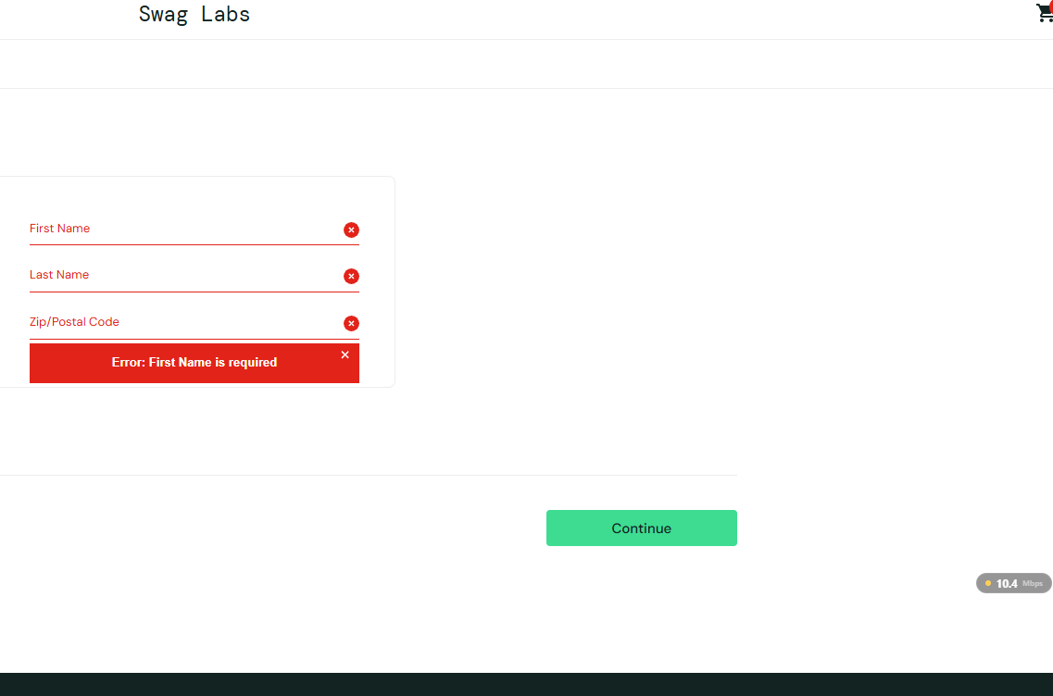 | Pass
TC-010 | Verify invalid Postal Code is rejected | 1. Enter valid names. 2. Enter an invalid postal code. 3. Click Continue. | John / Smith / ABC | Invalid Postal Code is rejected according to the application's validation rules. | 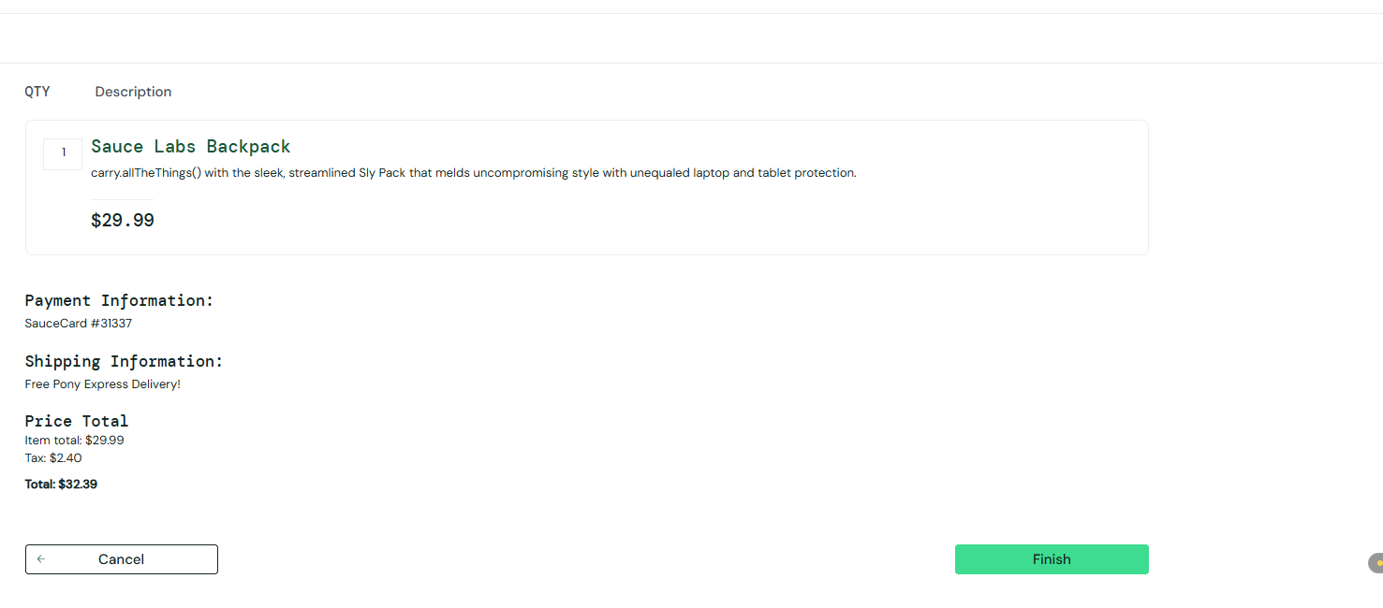
TC-011 | Verify First Name containing only spaces is rejected | 1. Enter spaces in First Name. 2. Complete other fields. 3. Click Continue. | " " / Smith / 20000 | First Name is treated as empty/invalid and checkout is blocked. | 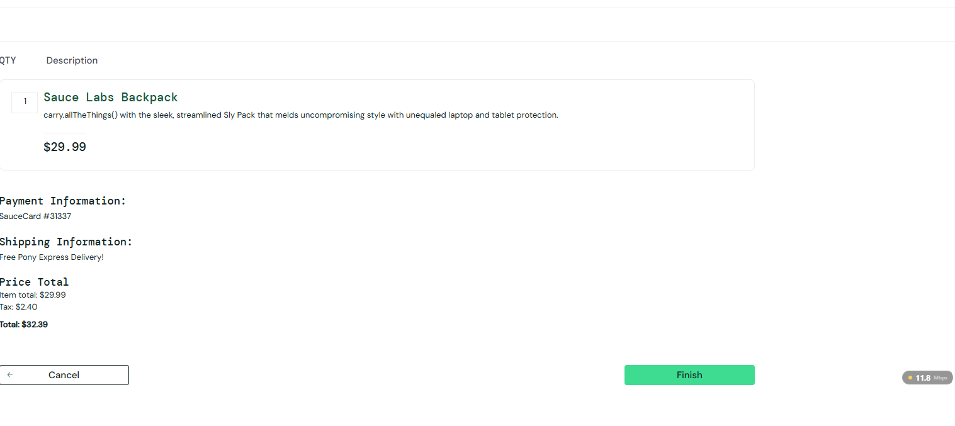 | Pass
TC-012 | Verify Last Name containing only spaces is rejected | 1. Enter valid First Name. 2. Enter spaces in Last Name. 3. Enter Postal Code. 4. Click Continue. | John / " " / 20000 | 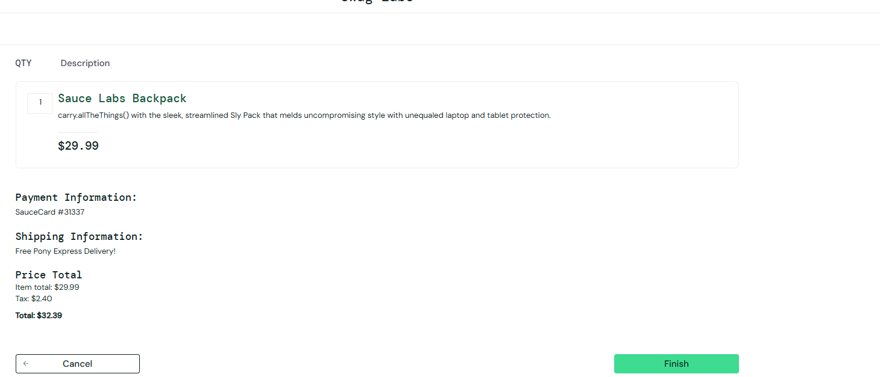 Last Name is treated as empty/invalid. | secret_sauce | Pass
TC-013 | Verify checkout does not proceed with partially completed information | 1. Fill only two of the three fields. 2. Click Continue. | John / Smith / Empty | Checkout Overview is not displayed; missing field is validated. | 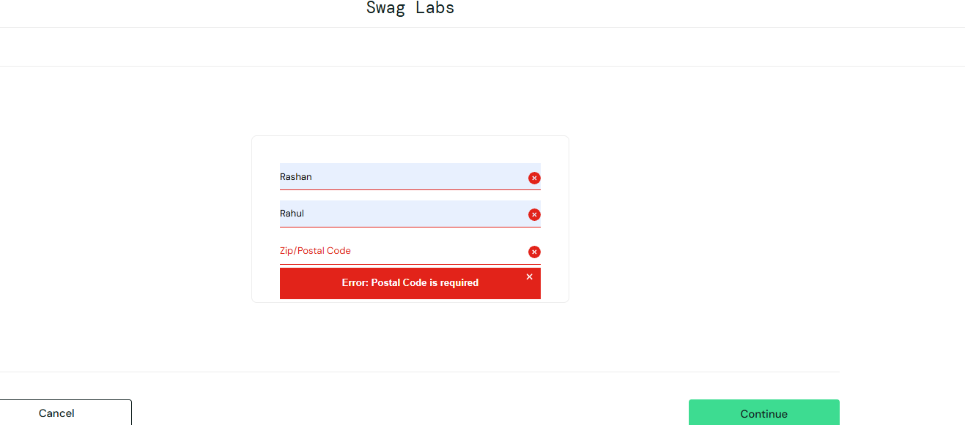 | Pass
TC-014 | Verify invalid characters in name fields are handled | 1. Enter invalid characters in First/Last Name. 2. Complete Postal Code. 3. Click Continue. | 12345 / @@@ / 20000 | Application validates/rejects invalid input according to defined rules. | 
TC-015 | Verify minimum valid name length | 1. Enter the shortest valid First and Last Names. 2. Enter valid Postal Code. 3. Continue. | A / B / 20000 | Values are accepted if they meet the application's validation rules. | 
TC-016 | Verify long First Name | 1. Enter an unusually long First Name. 2. Complete remaining fields. 3. Continue. | 100+ character name | Application handles the value gracefully without layout or system errors.
TC-017 | Verify Postal Code at boundary length | 1. Enter Postal Code with minimum/maximum expected length. 2. Continue. | 00000 / maximum-length value | Postal Code is accepted or rejected according to defined validation rules. | 
TC-018

checkout overview
 | Checkout Overview Feature Test Cases

TestID | Test Scenario | Test Step | Test Data | Expected Result | Actual Result | Status | Column8
TC-001 | Verify Checkout Overview loads with selected product | 1. Login. 2. Add a product to Cart. 3. Go to Checkout. 4. Enter valid checkout information. 5. Click Continue. | Sauce Labs Backpack | Checkout Overview page loads successfully and displays the selected product. |  | pass
TC-002 | Verify selected product name is displayed correctly | 1. Add a product. 2. Proceed to Checkout Overview. 3. Compare product name with Cart. | Sauce Labs Backpack | Correct product name is displayed. |  | pass | 
TC-003 | Verify product price matches the Cart | 1. Add a product. 2. Open Cart and note price. 3. Proceed to Overview. 4. Compare prices. | Backpack – $29.99 | Product price on Overview matches the Cart price. |  | pass
TC-004 | Verify payment information is displayed | 1. Proceed to Checkout Overview. 2. InspectC10 Payment Information section. | Valid checkout | Payment information is displayed correctly. |  | pass
TC-005 | Verify shipping information is displayed | 1. Proceed to Checkout Overview. 2. Inspect Shipping Information section. | Valid checkout | Shipping information is displayed correctly. |  | pass
TC-006 | Verify Item Total calculation | 1. Add one or more products. 2. Proceed to Overview. 3. Calculate product price × quantity. 4. Compare with Item Total. | Product prices and quantities | Item Total equals the sum of the selected item prices. |  | pass
TC-007 | Verify Tax calculation | 1. Note Item Total. 2. Check Tax displayed on Overview. 3. Compare against the configured tax calculation. | Item Total | Displayed Tax is calculated correctly according to the application's tax rate/rules. |  | pass
TC-008 | Verify Total calculation | 1. Note Item Total and Tax. 2. Calculate Item Total + Tax. 3. Compare with Total. | Item Total + Tax | Total equals Item Total + Tax. |  | pass
TC-009 | Verify Cancel button returns user to Cart | 1. Open Checkout Overview. 2. Click Cancel. | Valid cart | User is returned to the Cart page. | Then Go to home page | Fail
TC010 | Verify Finish button completes the order | 1. Add product. 2. Complete checkout information. 3. Reach Overview. 4. Click Finish. | Valid order | Order is successfully completed. |  | pass
TC-011 | Verify successful order confirmation is displayed | 1. Complete checkout. 2. Click Finish. 3. Observe confirmation page. | Valid order | Order confirmation/success message is displayed. |  | pass
TC-012 | Verify Overview cannot be accessed without completing checkout information | 1. Add product. 2. Attempt to skip Checkout Information. 3. Directly access Overview. | Missing checkout data | User cannot bypass required checkout validation. |  | pass
TC-013 | Verify incorrect product price is not displayed | 1. Add a product. 2. Compare Cart price with Overview price. | Valid product | Overview displays the correct product price.
TC-014 | Verify order confirmation is not displayed for an unsuccessful order | 1. Attempt to complete an invalid/incomplete checkout. 2. Observe result. | Invalid order | Order confirmation is not displayed unless the order is successfully completed.
TC-015 | Verify decimal price calculation | 1. Add products with decimal prices. 2. Calculate expected total. 3. Compare displayed values. | $9.99, $15.99 | Calculations are accurate and correctly rounded/formatted. |  | pass
TC-016 | Verify Overview after returning from Cart | 1. Reach Overview. 2. Click Cancel. 3. Return to Checkout. 4. Reach Overview again. | Valid order | Product and pricing information remains consistent. |  | Fail

